1. Title Page
[Grocery Basket Analysis]

Date: June 2023
Analyst Name: James Davies

Contents:
Population Flow
Consistency checks
Wrangling steps
Column derivations
Visualizations
Recommendations

Data Citation:

"The Instacart Online Grocery Shopping Dataset 2017", Accessed from http://www.instacart.com/datasets/grocery-shopping-2017 on [date].

2. Population Flow
Title page

Population flow

Exclusion flag
Condition: max_order < 5
Obervations to be removed: 1440295
Final total count of order_products_all: 32,434,468

Orders_products_combined
Orders_products_merged
Orders_products_all

Total: 32404859
Total: 32434489
Total:32404859

1.) The grey boxes in the first row of the population flow represent the original data sets as they were when you downloaded them. In the Total fields you need to add the count of the rows when you imported the data set into Jupyter.
2.) The second row of boxes (coloured) represents the data sets after you manipulated them, e.g., removed missing values and duplicates. In the Total fields you need to add the count of the rows after conducting these operations. This offers a visual oveview of how the data flows throughout the data consistency checks.
3.) The third row, where also the arrows are coloured, represents the merges you performed between the datasets. In the Total fields you need to add the count of the rows in the merged datasets, so that you end up with the final dataset (in the red box). Keep in mind the final dataset should be without exclusions (based on the exclusion flag).

3. Consistency checks
 |  |  |  | Title page
Consistency checks

Dataset | Missing values | Missing values treatment | Duplicates
orders | 206209 missing values in 'days_since_previous_order' | Null value represents first customer order | None found
products | 16 foiund under product_name | dropped rows | 5 found and removed
orders_products_prior | none found |  | None found
customers | none found |  | None found

4. Wrangling steps
 |  |  |  | Title page
Wrangling steps

Columns dropped | Columns renamed | Columns' type changed | Comment/Reason
df_ords.drop(columns = ['eval_set']) |  |  | Column not required for analysis
 |  | df_ords['user_id'] = df_ords['user_id'].astype('str') | Changed to reduce query costs
 | df_ords.rename(columns = {'days_since_prior_order' : 'days_since_previous_order'}, inplace = True) |  | Name change
 | df_ords.rename(columns = {'order_dow' : 'orders_day_of_week'}, inplace = True) |  | Name change
first_name |  |  | Removed for privacy reasons
last_name |  |  | Removed for privacy reasons
 | prices' - loc[ords_prods_merge['prices'] >100, 'prices'] = np.nan |  | prices above $100 were changed to null
 | Gender - sex
 | Surname - last_name

5. Column derivations
 |  |  |  |  | Title page

Column derivations and aggregations

Dataset | New column | Column/s it was derived from | Conditions | Frequency
orders_products_merged | price_range_loc | prices | prices<=15&prices>5:'Mid range product' | Mid range product 21860860
 |  |  | prices<=5:'Low range product' | Low range product 10126321
 |  |  | prices>15:'High range product' | High range product 417678
orders_products_merged | busiest_day | orders_day_of_week | if value==4 | Regularly busy 22416875
 |  |  | if value==0 | Busiest day 6204182
 |  |  | else | Least busy 3783802
orders_products_merged | busiest_days | orders_day_of_week | else | Regular days 12916111
 |  |  | if 0or1 | Busiest days 11864412
 |  |  | if 4 or 3 | Slowest days 7624336
orders_products_merged | busiest_period_of_day | order_hour_of_day | if hour in 10,11,14,15,13,12,16,9 | Most orders 21118071
 |  |  | if hour in 17,8,18,19,20,7,21,22 | Average orders 9997651
 |  |  | else | Fewest orders 1289137
orders_products_merged | loyalty_flag | max_order | max_order is <=40 &>10 | Regular Customer 15876776
 |  |  | max_order>40 | Loyal Customer 10284093
 |  |  | max_order<=10 | New Customer 6243990
orders_products_merged | spending_flag | avg_price | avg_price<10 | Low Spender 31770614
 |  |  | avg_price>=10 | High Spender 634245
orders_products_merged | customer | median_frequency | median_frequency<=10 | Frequent customer 21559853
 |  |  | median_frequency>10&median_frequency<=20 | Regular customer 7208564
 |  |  | median_frequency>20 | Non frequent customer 3636437
customers_merged | region | state |  | South 10791885
 |  |  |  | West 8292913
 |  |  |  | Midwest 7597325
 |  |  |  | Northeast 5722736
customers_merged | activity_of_customer | max_order | max_order>=5 | High order customer 30964564
 |  |  | max_order<5 | Low order customer 1440295
customers_merged | age_flag | age | age<=65&age<=40 | Middle-age 12646712
 |  |  | age<=40 | Young adult 11670046
 |  |  | age>65 | Senior 8088101
customers_merged | income_flag | income | income<=120k & income>50k | Middle income 19239676
 |  |  | income>120k | High income 9571100
 |  |  | income<=50k | Low income 3594083
customers_merged | family_flag | total_depandants | total_depandants!=0 | Family 24307356
 |  |  | total_depandants==0 | Single 8097503

6. Visualizations
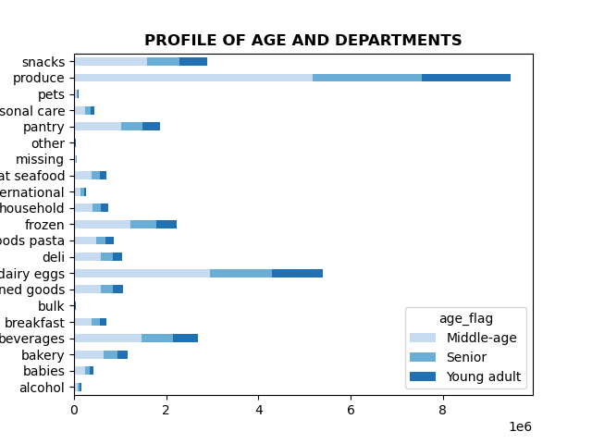
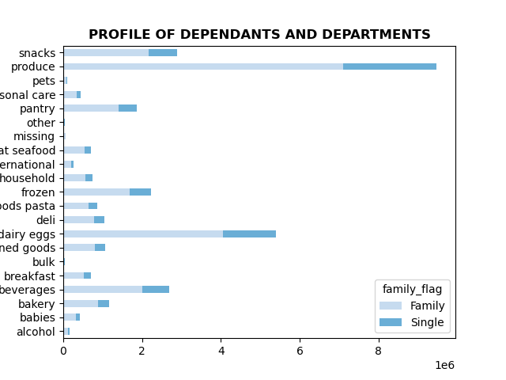
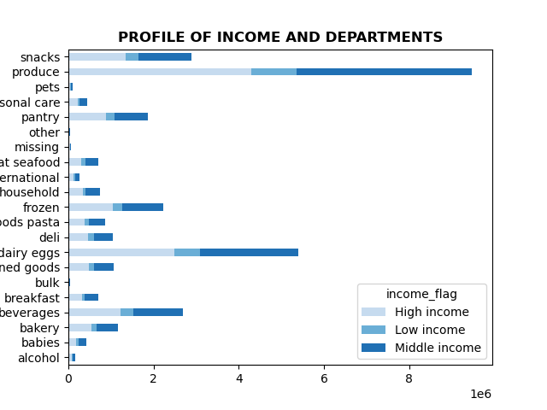
 |  |  |  | Title page

Visualisations

In this tab you should include all the visualtions from Exercises 4.9 and 4.10, alongside the questions from the project brief that they answer. Include any commentary on the relationship between different variables.

The sales team needs to know what the busiest days of the week and hours of the day are (i.e., the days and times with the most orders) in order to schedule ads at times when there are fewer orders

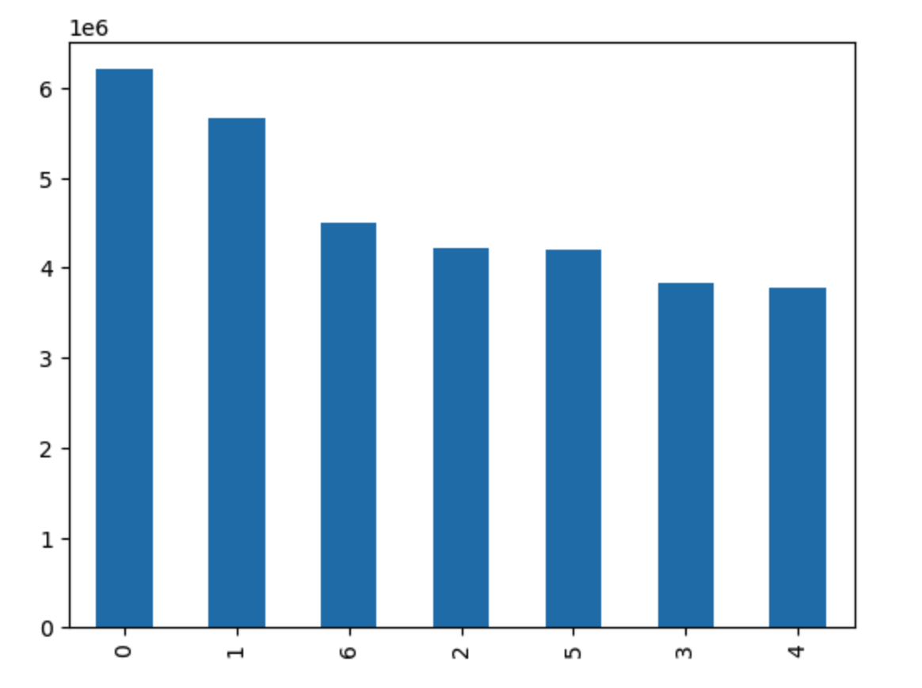

 |  |  | This bar chart shows orders per days of week
 |  |  | 0=Saturday
 |  |  | 1=Sunday
 |  |  | 2=Monday
 |  |  | 3=Tuesday
 |  |  | 4=Wednesday
 |  |  | 5=Thrusday
 |  |  | 6=Friday
 |  |  | Illustrates Saturday, Sunday and Friday are the busiest days
 |  |  | And days with fewest orders are Wednesday and Tuesday.

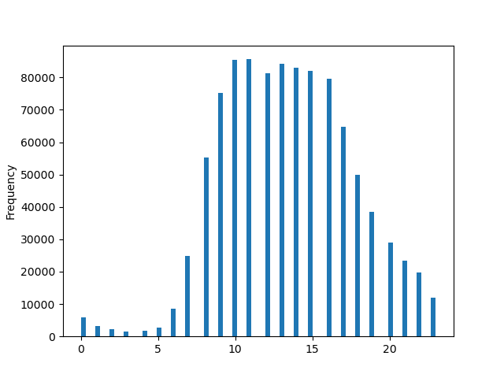

 |  |  | Histogram highlighting orders per hour of day
 |  |  | The busiest is between 9 to 17 with midnight to 7am being the quietest

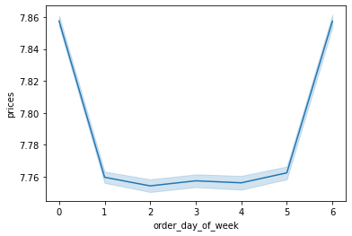

 |  |  | Line chart showing differing prices based on days of week

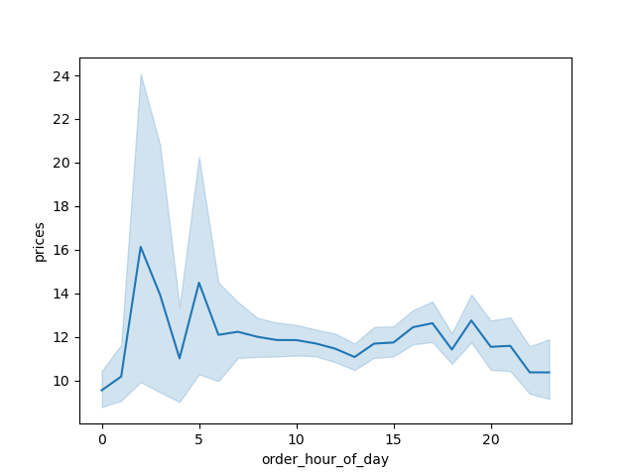

 |  | Line plot showing the average price of items ordered according to hour of the day.
 |  | There is a fluctuation in peak hour at 4 am and 10 am

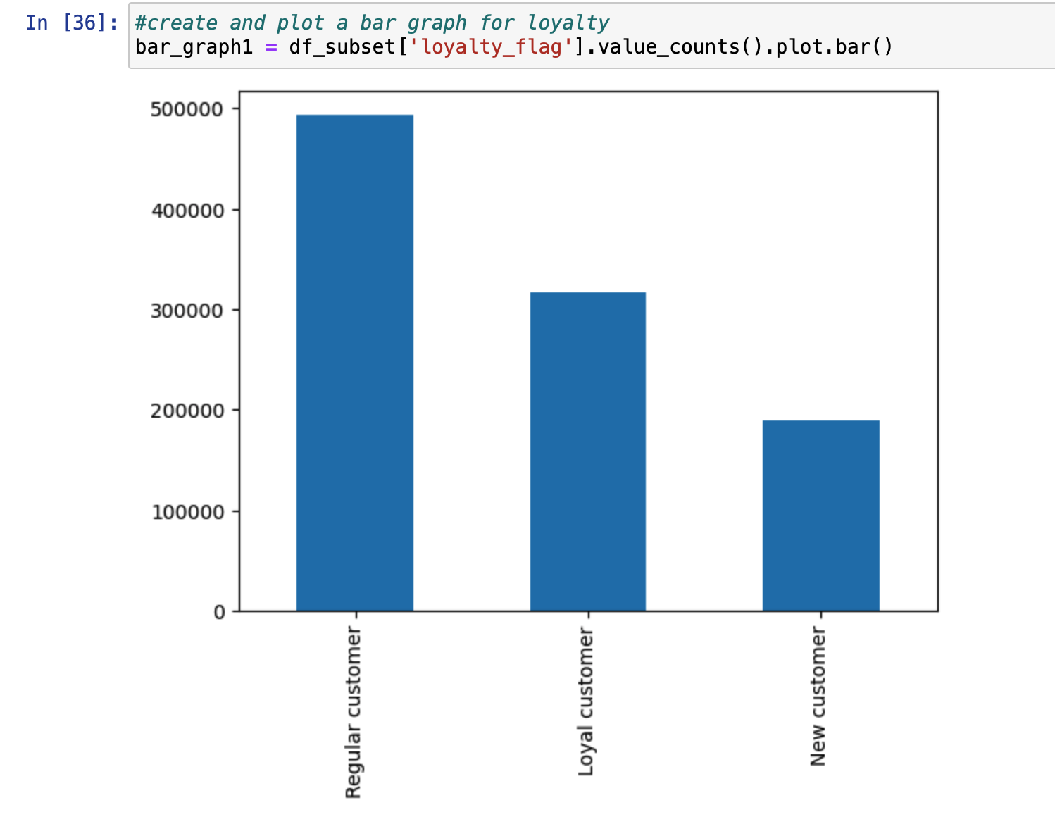

 |  |  | Distribution showing customers loyalty based on order frequency
 |  |  | Regular customers represent the largest majority at 49% of customers

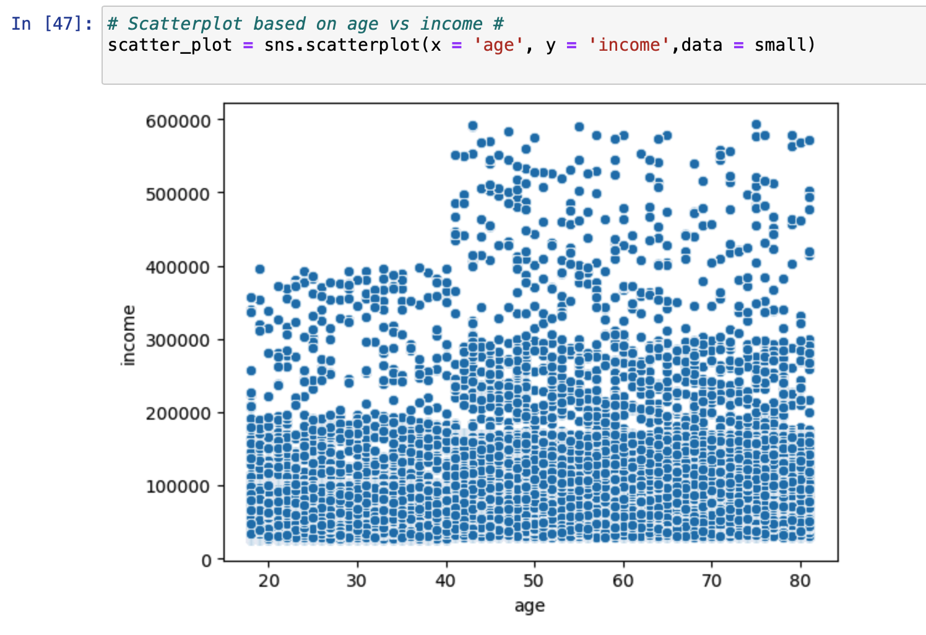

 |  |  | Scatterplot shows the relationship between customer age and income.
 |  |  | Majority of people in all age groups earns up to 200k.
 |  |  | Only those 40 and over have greater earnings

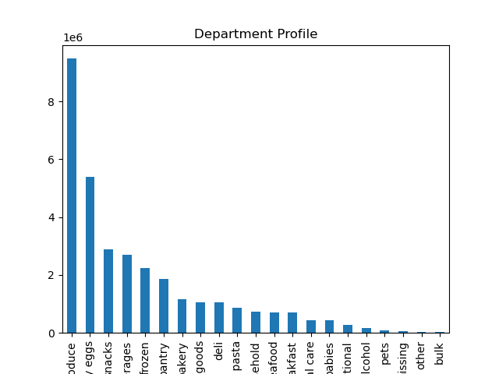

 |  |  | Bar chart for popular departments. Top 3 departmebts are produce, eggs and snacks
 |  |  | Bulk represents a very small percentage of sales

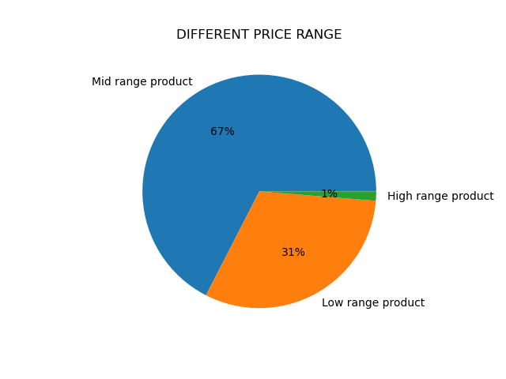

 |  |  |  |  | This pie plot shows different price range of products.
 |  |  |  |  | 67 % of all products fall within the mid range category
 |  |  |  |  | High range products represent a very small percentage
 |  |  |  |  | of overall sales.

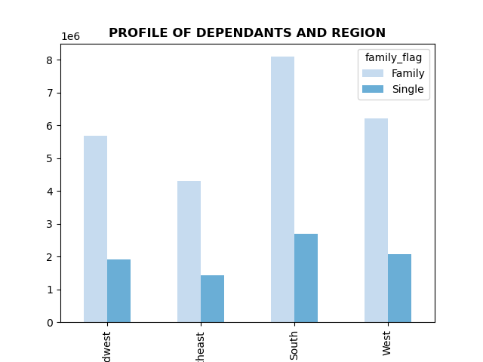
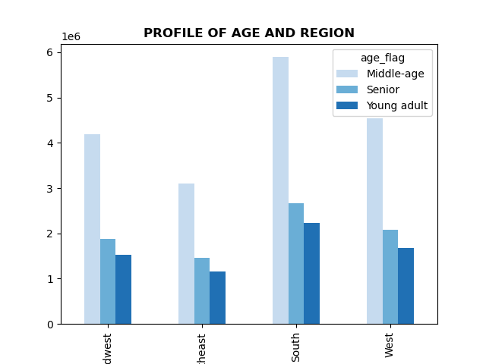
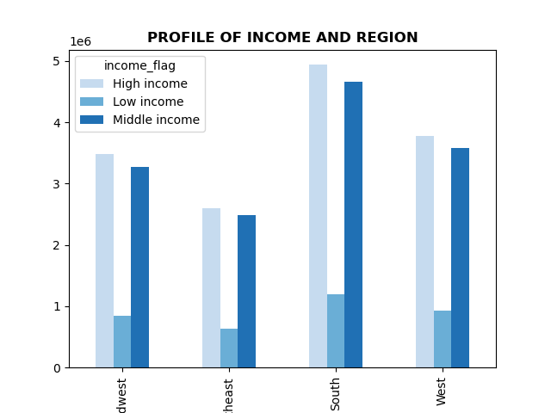

 |  |  |  |  |  |  | Across all departments, the low income demographic are the lowest while high and middle income demographics are very similar

 |  |  |  |  |  |  | Irrespective of region, the middle aged represent the majority of customers

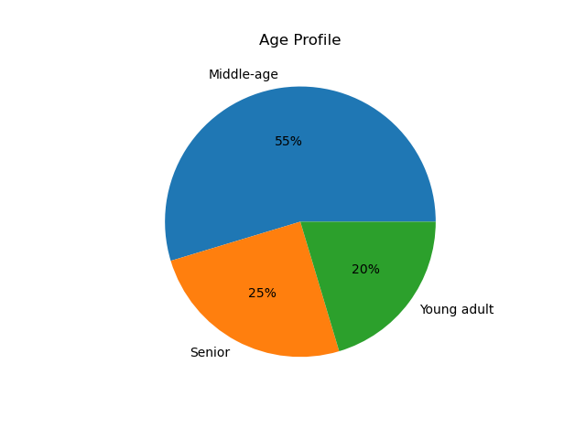
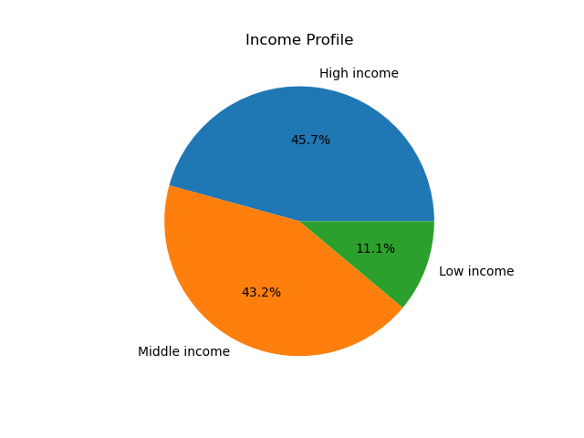
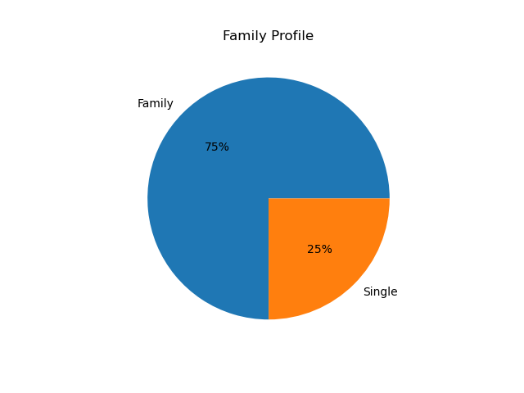

 | Age profile shows majority are middle aged |  |  |  |  | Family profile showing majoprity are classified as a family | Income profile showing high and middle income combined make up almost 90% of customers

7. Recommendations
 | Title page

Recommendations

Q: The sales team needs to know what the busiest days of the week and hours of the day are in order to schedule ads at times when there are fewer orders.

A: Busiest hours are 10 am - 3pm and busiest days are the weekend

Any advertising should be scehduled in advance of the weekend trading hours and the evening to target customer purcahsing power the following day.

Q: They also want to know whether there are particular times of the day when people spend the most money, as this might inform the type of products they advertise at these times.

A: People spend the most money in the early morning hours, although the margin for error in the line chart shows big variablility. Steady spending hours are lunchtime through to evening.

R: Recommend further analysis into which departments represent most of the spend between lunctime and early evening and target accordingly.

Q: Instacart has a lot of products with different price tags. Marketing and sales want to use simpler price range groupings to help direct their efforts.

A: High range greater than $ 15. Mid-range between $ 15-$ 5. Low-range below $ 5.

R: High range products represent a very small percentage of revenue. I would recommend targeting coupons and offers for the middle price range products and review spending habits after a set period of time to monitor the impact.

Q: Are there certain types of products that are more popular than others? The marketing and sales teams want to know which departments have the highest frequency of product orders.

A: Produce, dairy/eggs, and snacks are the biggest departments.

R: Analyse these 3 top selling categories further. Recommend to breakdown the catergories into smaller sub catergopries to identify growth potential.

Q: What’s the distribution among users in regards to their brand loyalty?

A: 49% are regular customers, 32% are loyal customers, and 19% are new customers.

R: Incentivise regular customers with special offers. Nurture loyal customers with personalised offers based on spending habits to retain custom. Market campaigns for new customers to encourage sign up allowing more targeted ad campaigns in future and convert to loyal customers.

Q: Are there differences in ordering habits based on a customer’s loyalty status and region?

A: Loyal customers reorder most frequently. Regionally, the South orders the most and Northeast is the least

R: Further analysis into why northeast sales are lower. Look for corrolation between product range, income and family status.

Q: Is there a connection between age and family status in terms of ordering habits?

A: No direct correlation found between age and family status.

R: Thiose aged 40 years and older have greater spending power. Any higher priced or exlcusive product campaigns should be targeted to that age group across media and press.

Q: What different classifications does the demographic information suggest? Age? Income? Certain types of goods? Family status?

A: Most customers are middle aged and high to middle income earners and more likely to be a family rather than single. This is the target demograpchic

Q: What differences can you find in ordering habits of different customer profiles? Consider the price of orders, the frequency of orders, the products customers are ordering, and anything else you can think of.

A: Mid range products make up the vast majority of orders, whilst high range products account for only 1% of revnue. Loyal customers return the most to reorder. Popular departments are produce, eggs and snacks (these need to be sub-categorised.

R: Increase range of mid range products via campaign for new arrivals and measure success. High value products are clearly not the target of the offereing.

